LP TEMPLATE
 | No. of radio Ads | No. of TV Ads |  |  |  |  | A candidate for mayor has allocated $40,000 for last minute advertising in the days preceding the election. Two types of ads will be used: radio and television. Each radio ad costs $200 and reaches an estimated 3000 people. Each television ad costs $500 and reaches an estimated 7000 people. The campaigning mayor would like to reach as many people as possible, but she has stipulated that at least 10 ads of each type be used. Also, the number of radio ads must be at least as great as the number of television ads. How many ads of each type should be used? How many people will be reached?
Variables | 175 | 10 | <--Dummy numbers
 | 3000 | 7000 | <-- coeff for objective
Objective(max)
No. of People Reached | 595000

 |  |  | formula
Constraint Table: |  |  | LHS | Sign | RHS | (LHS Formula)
Budget: | 200 | 500 | 40000 | <= | 40000 | =SUMPRODUCT($B$2:$C$2,B11:C11)
at least 10 Radio | 1 |  | 175 | >= | 10 | =SUMPRODUCT($B$2:$C$2,B12:C12)
at least 10 TV |  | 1 | 10 | >= | 10 | =SUMPRODUCT($B$2:$C$2,B13:C13)
R >= T | 1 | -1 | 165 | >= | 0 | =SUMPRODUCT($B$2:$C$2,B14:C14)
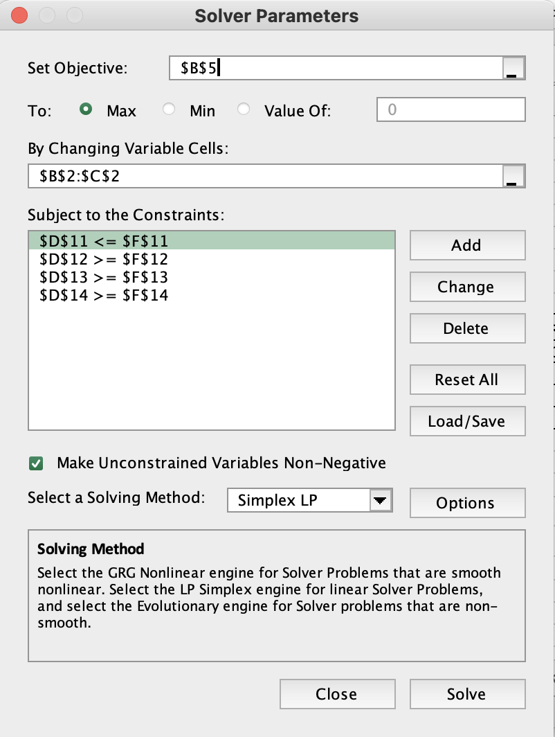

 |  |  |  |  |  |  | Solution:
 |  |  |  |  |  |  | Purchase 175 Radio Ads and 10 TV Ads to reach a maximum of 595,000 people.

Net Profit
 | No. of Basic | No of XP |  |  |  |  | The PC Tech company assembles and then tests two models of computers, Basic and XP. For the coming month, the company wants to decide how many of each model to assemble and then test. No computers are in inventory from the previous month, and because these models are going to be changed after this month, the company doesn’t want to hold any inventory after this month. It believes the most it can sell this month are 600 Basics and 1200 XPs. Each Basic sells for $300 and each XP sells for $450. The cost of component parts for a Basic is $150; for an XP it is $225. Labor is required for assembly and testing. There are at most 10,000 assembly hours and 3,000 testing hours available. Each labor hour for assembling costs $11 and each labor hour for testing costs $15. Each Basic requires five hours for assembling and one hour for testing. Each XP requires six hours for assembling and two hours for testing. PC Tech wants to know how many of each model it should produce (assemble and test) to maximize its net profit, but it cannot use more labor hours that are available, and it does not want to produce more than it can sell.
Variables | 560 | 1200 | <--Dummy numbers
 |  |  | <-- coeff for objective
Objective(max) |  |  | Total
Revenue: | 300 | 450 | 708000
Cost:
Parts: | $150 | $225 | $354,000
Labor/Assembly: | 5 | 6 | $110,000 |  | $11 | For assembly
Labor/Testing: | 1 | 2 | $44,400 |  | $15 | For Labor
Profit: |  |  | $199,600 | =D5-D7-D8-D9

 |  |  | formula
Constraint Table: |  |  | LHS | Sign | RHS
at most 600 Basics | 1 |  | 560 | <= | 600
atmost 1200 XPs |  | 1 | 1200 | <= | 1200
Assembly Hours | 5 | 6 | 10000 | <= | 10000
testing Hours | 1 | 2 | 2960 | <= | 3000

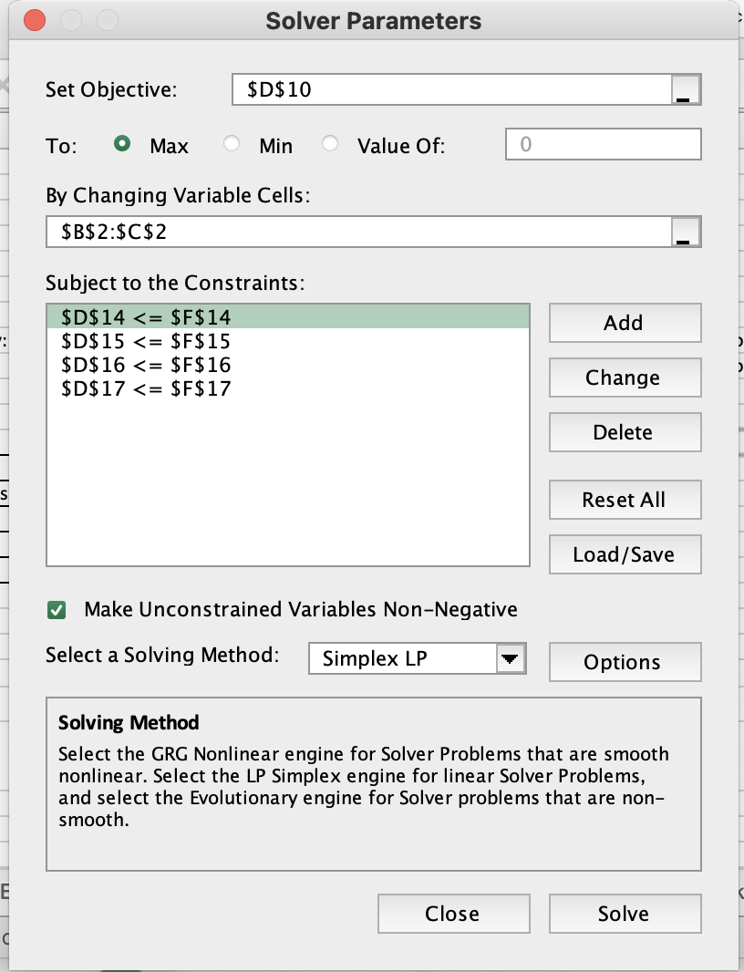

 |  |  |  |  |  |  | Solution:
 |  |  |  |  |  |  | The PC Tech Company should produce 560 Basic Computers and 1200 XP Computers to maximize net profit to $199,600.

Investment Allocation
 | X1 | X2 | X3 | X4 | X5 |  |  |  |  | A brokerage firm has been instructed by a client to invest $250,000. The client requests the firm select whatever stocks and bonds they believe are well-rated, but with the following guidelines: Municipal bonds constitute at least 20% of investment. At least 40% of the investment is placed in tech stocks. No more than 50% of the amount invested in municipal bonds should be high risk. The table below lists the rate of return for five different investment options.
Variables | $50,000 | $- | $- | $175,000 | $25,000 | <--dummy numbers
 | 5.30% | 6.80% | 4.90% | 8.40% | 11.80%
Objective(max)
Actual Return: | $20,300 | =SUMPRODUCT(B2:F2,B3:F3)

Constraint Table: |  |  |  |  |  | LHS | Sign | RHS |  | Investment | Rate of Return (%)
Budget: | 1 | 1 | 1 | 1 | 1 | 250000 | <= | 250000 | X1 | L.A. Municipal Bond | 5.3
at least 20%Municipal Bonds | 1 |  |  |  |  | 50000 | >= | 50000 | X2 | Thompson Electronics, Inc. | 6.8 | Tech
at least 40% Tech Bonds |  | 1 | 1 | 1 |  | 175000 | >= | 100000 | X3 | United Aerospace Corp. | 4.9 | Tech
No more than 50% High Risk | -50% |  |  |  | 1 | 0 | <= | 0 | X4 | Palmer Technologies | 8.4 | Tech
 |  |  |  |  |  |  |  |  | X5 | HDN Stock (high risk) | 11.8

X5 <= 50% X1 |  |  |  |  |  |  |  |  |  | Solution:
X5 - 50%X1 <= 0 | (X1 has negative coefficient of 50% to satisfy last constraint) |  |  |  |  |  |  |  |  | The brokerage firm must invest the following to gain a maximum return of $20,300
 |  |  |  |  |  |  |  |  |  | L.A. Municipal Bond | $50,000
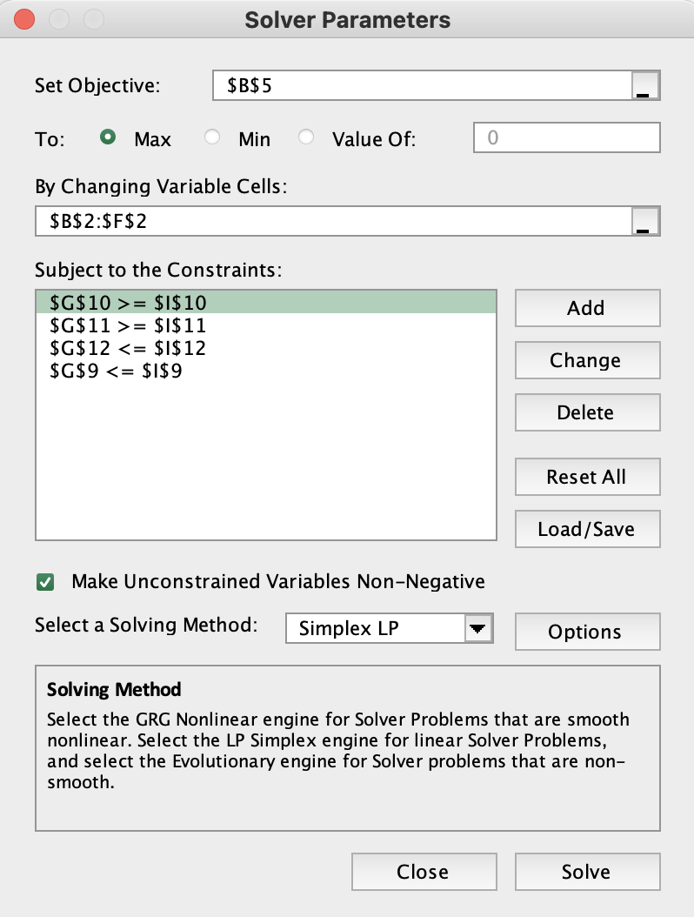
 |  |  |  |  |  |  |  |  |  | Thompson Electronics, Inc. | -
 |  |  |  |  |  |  |  |  |  | United Aerospace Corp. | -
 |  |  |  |  |  |  |  |  |  | Palmer Technologies | $175,000
 |  |  |  |  |  |  |  |  |  | HDN Stock (high risk) | $25,000

Battery Park Stable
 | Oat Product (units/lb) | Enriched Grain (units/lb) | Mineral Product (units/lb) |  |  |  | The Battery Park Stable feeds and houses the horses used to pull tourist-filled carriages through the streets of Charleston’s historic waterfront area. The stable owner, an ex-racehorse trainer, recognizes the need to set a nutritional diet for the horses in his care. At the same time, he would like to keep the overall daily cost of feed to a minimum. The feed mixes available for the horses’ diet are an oat product, a highly enriched grain, and a mineral product. Each of these mixes contains a certain amount of five ingredients needed daily to keep the average horse healthy. The table below shows these minimum requirements, units of each ingredient per pound of feed mix, and costs for the three mixes.
Variables: | 0.25 | 4.5 | 0
 | $0.09 | $0.12 | $0.18

Objective (min)
Daily Cost: | $0.56
 |  |  |  |  |  |  | Diet Requirement (Ingredients) | Oat Product (units/lb) | Enriched Grain (units/lb) | Mineral Product (units/lb) | Minimum Daily Requirement (units)
 |  |  |  |  |  |  | A | 3 | 4 | 2 | 5
Constraints |  |  |  | LHS | Sign | RHS | B | 0.5 | 1 | 1 | 2
A | 3 | 4 | 2 | 18.75 | >= | 5 | C | 4 | 2 | 6 | 10
B | 0.5 | 1 | 1 | 4.625 | >= | 2 | D | 1 | 1.5 | 2 | 7
C | 4 | 2 | 6 | 10 | >= | 10 | E | 0.5 | 1.5 | 0.5 | 6
D | 1 | 1.5 | 2 | 7 | >= | 7 | Cost/lb | $0.09 | $0.12 | $0.18
E | 0.5 | 1.5 | 0.5 | 6.875 | >= | 6
 |  |  |  |  |  |  | Solution:
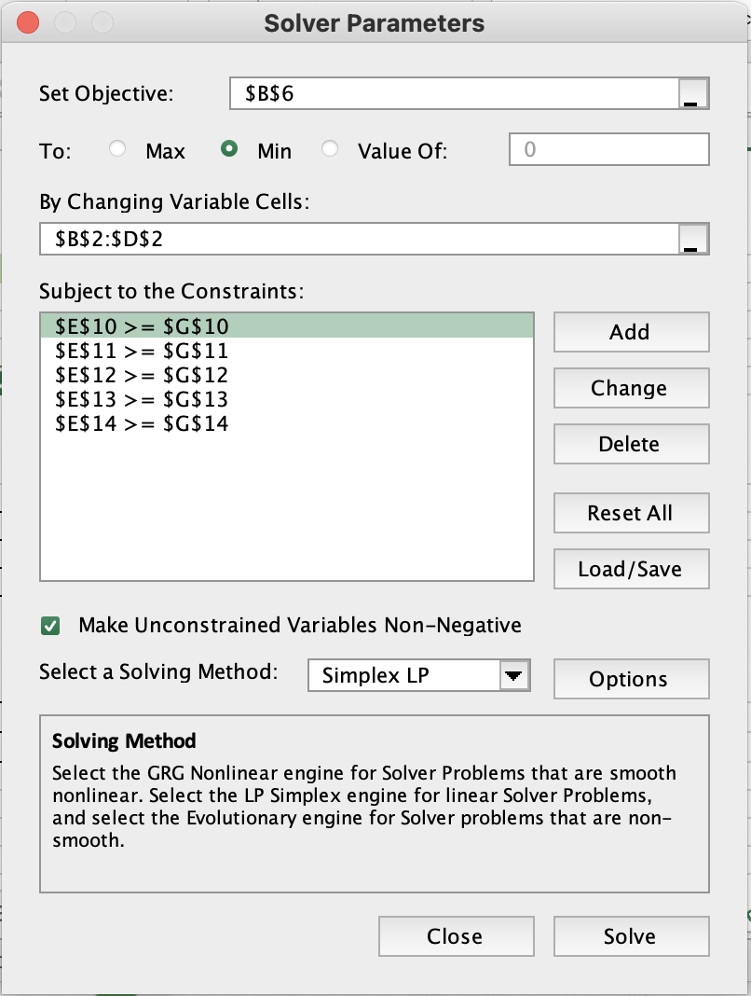
 |  |  |  |  |  |  | The Battery Park Stable should use 0.25 units/lb of Oat Product, 4.5 units/lb of Enriched Grain and 0 unit/lb of Mineral Product to keep the overall daily cost to a minimum of $ 0.56.

Busing Problem
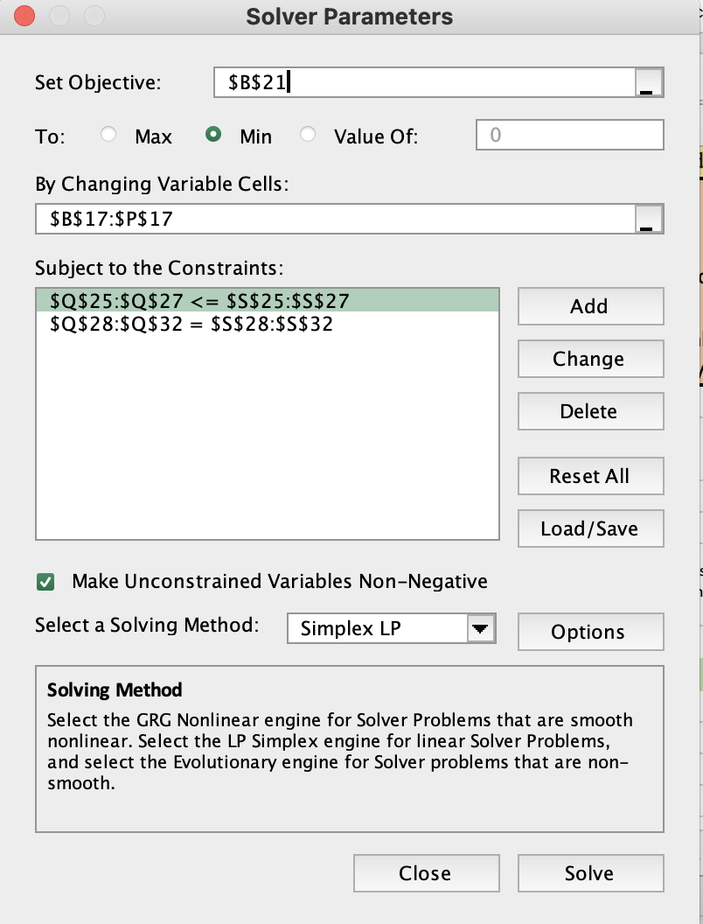
Johns Hopkins is setting up three Charter schools in Baltimore City: Kyoko HS, Devon HS, and Manny HS. Each high school has a capacity of 900 students. The Mayor hires your company to assign accepted students to these three new high schools. Busses will be provided to students who live more than walking distance (defined as 1.5 miles) to the schools. Baltimore City has been partitioned into five neighborhoods: A, B, C, D and E. Kyoko HS is in sector B, Devon HS is in sector C, and Manny HS is in sector E. If a student lives in a sector and is assigned to the high school in that sector, the student can walk to school and does not get a bus. All students must be assigned a school. The table below shows the distance (in miles) from each sector to each school. Minimize the total student miles travelled by bus.

Sector | Distance to Kyoko HS (in Sector B) | Distance to Devon HS (in Sector C) | Distance to Manny HS (in Sector E) | Number of Students |  | Solution:
A | 5 | 8 | 6 | 700 |  | From Sector A, 400 students go to Kyoko HS and remaining 300 go to Manny HS; from Sector B, all 500 students go to Kyoko HS; from Sector C, all 100 students go to Devon HS; from Sector D all 800 students go to Devon HS; and from Sector E, all 400 students go to Manny HS.
B | 0 | 4 | 12 | 500
C | 4 | 0 | 7 | 100
D | 7 | 2 | 5 | 800 |  | In this way, John Hopkins can minimize Student Bus Miles to 5400 miles.
E | 12 | 7 | 0 | 400

 | no. of students assigned from A to HS B | no. of students assigned from A to HS C | no. of students assigned from A to HS E | no. of students assigned from B to HS B | no. of students assigned from B to HS C | no. of students assigned from B to HS E | no. of students assigned from C to HS B | no. of students assigned from C to HS C | no. of students assigned from C to HS E | no. of students assigned from D to HS B | no. of students assigned from D to HS C | no. of students assigned from D to HS E | no. of students assigned from E to HS B | no. of students assigned from E to HS C | no. of students assigned from E to HS E
 | AB | AC | AE | BB | BC | BE | CB | CC | CE | DB | DC | DE | EB | EC | EE
variable | 400 | 0 | 300 | 500 | 0 | 0 | 0 | 100 | 0 | 0 | 800 | 0 | 0 | 0 | 400 | <-- dummy numbers
 | 5 | 8 | 6 | 0 | 4 | 12 | 4 | 0 | 7 | 7 | 2 | 5 | 12 | 7 | 0 | <-- miles travelled

OBJECTIVE(min)
student bus miles: | 5400

Constraint |  |  |  |  |  |  |  |  |  |  |  |  |  |  |  | LHS | SIGN | RHS
900 in School B | 1 |  |  | 1 |  |  | 1 |  |  | 1 |  |  | 1 |  |  | 900 | <= | 900
900 in School C |  | 1 |  |  | 1 |  |  | 1 |  |  | 1 |  |  | 1 |  | 900 | <= | 900
900 in School E |  |  | 1 |  |  | 1 |  |  | 1 |  |  | 1 |  |  | 1 | 700 | <= | 900
700 in Sector A | 1 | 1 | 1 |  |  |  |  |  |  |  |  |  |  |  |  | 700 | = | 700
500 in Sector B |  |  |  | 1 | 1 | 1 |  |  |  |  |  |  |  |  |  | 500 | = | 500
100 in Sector C |  |  |  |  |  |  | 1 | 1 | 1 |  |  |  |  |  |  | 100 | = | 100
800 in Sector D |  |  |  |  |  |  |  |  |  | 1 | 1 | 1 |  |  |  | 800 | = | 800
400 in Sector E |  |  |  |  |  |  |  |  |  |  |  |  | 1 | 1 | 1 | 400 | = | 400

